sample page
Sample
Personal Report
Monthly Shopping Report
Month of |  | January 2016

 | Date | Store |  |  |  |  |  |  | Savings & Receipt Total |  |  |  |  | Coupons |  |  |  |  | New | Mail in | New
 |  | cvs | wags | publix | wd | target | other | Card # | Order Total | Order Total w/ CR | Your Savings Total | Tax Total | Grand Total | Vendor Coupons | Special Price Savings | Competitor Coupons | Total | Receipt Total | Reward | Rebate | Total
1 | 1/1/16 |  |  | x |  |  |  |  | 6.99 | 28.93 | 10.97 | - | 17.96 | 3.00 | 7.97 |  | 10.97 | 6.99 |  |  | 6.99
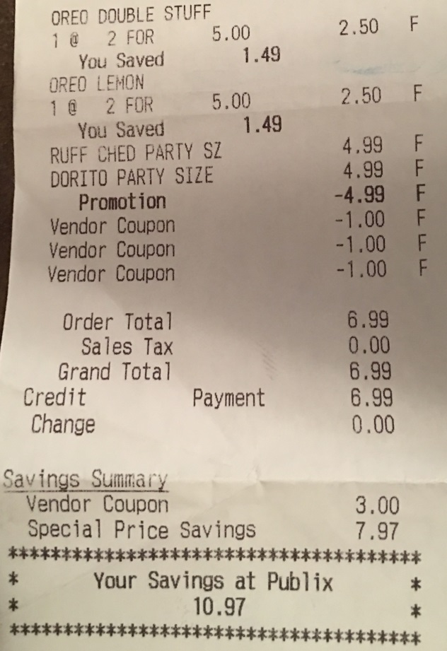
2 |  |  |  |  |  |  |  |  |  | - |  |  | - |  |  |  | - | - |  |  | -
Here is a sample of a Publix Receipt which all you will need is to add your shopping receipts with the information circled in blue, once you get that information just add it in the gray columns, every other column in white has its own formula so you don’t need to add or include any other information.
3 |  |  |  |  |  |  |  |  |  | - |  |  | - |  |  |  | - | - |  |  | -
4 |  |  |  |  |  |  |  |  |  | - |  |  | - |  |  |  | - | - |  |  | -
5 |  |  |  |  |  |  |  |  |  | - |  |  | - |  |  |  | - | - |  |  | -
6 |  |  |  |  |  |  |  |  |  | - |  |  | - |  |  |  | - | - |  |  | -
7 |  |  |  |  |  |  |  |  |  | - |  |  | - |  |  |  | - | - |  |  | -
8 |  |  |  |  |  |  |  |  |  | - |  |  | - |  |  |  | - | - |  |  | -
9 |  |  |  |  |  |  |  |  |  | - |  |  | - |  |  |  | - | - |  |  | -
10 |  |  |  |  |  |  |  |  |  | - |  |  | - |  |  |  | - | - |  |  | -
11 |  |  |  |  |  |  |  |  |  | - |  |  | - |  |  |  | - | - |  |  | -
12 |  |  |  |  |  |  |  |  |  | - |  |  | - |  |  |  | - | - |  |  | -
13 |  |  |  |  |  |  |  |  |  | - |  |  | - |  |  |  | - | - |  |  | -
14 |  |  |  |  |  |  |  |  |  | - |  |  | - |  |  |  | - | - |  |  | -
15 |  |  |  |  |  |  |  |  |  | - |  |  | - |  |  |  | - | - |  |  | -
16 |  |  |  |  |  |  |  |  |  | - |  |  | - |  |  |  | - | - |  |  | -
17 |  |  |  |  |  |  |  |  |  | - |  |  | - |  |  |  | - | - |  |  | -
18 |  |  |  |  |  |  |  |  |  | - |  |  | - |  |  |  | - | - |  |  | -
19 |  |  |  |  |  |  |  |  |  | - |  |  | - |  |  |  | - | - |  |  | -
20 |  |  |  |  |  |  |  |  |  | - |  |  | - |  |  |  | - | - |  |  | -
21 |  |  |  |  |  |  |  |  |  | - |  |  | - |  |  |  | - | - |  |  | -
22 |  |  |  |  |  |  |  |  |  | - |  |  | - |  |  |  | - | - |  |  | -
23 |  |  |  |  |  |  |  |  |  | - |  |  | - |  |  |  | - | - |  |  | -
24 |  |  |  |  |  |  |  |  |  | - |  |  | - |  |  |  | - | - |  |  | -
25 |  |  |  |  |  |  |  |  |  | - |  |  | - |  |  |  | - | - |  |  | -
 |  |  |  |  |  |  |  |  | 6.99 | 28.93 | 10.97 | - | 17.96 | 3.00 | 7.97 | - | 10.97 | 6.99 | - | - | 6.99

 | Purchase Total |  |  |  |  | 28.93
 | Credit Total |  |  |  |  | 10.97
 | MIR Total |  |  |  |  | -
 | Store Credit/Bogo |  |  |  |  | 10.97
 | Amount Pay Ttl |  |  |  |  | 6.99
 |  |  |  |  |  |  |  |  |  |  |  |  |  |  |  | Previous Summary |  | Current Total |  | Year to Date
 | Beg Amount |  |  |  | - |  |  |  |  |  |  |  |  | Purchases |  |  |  | 28.93 |  | 28.93
 | Month Budget |  |  |  | 200.00 |  |  |  |  |  |  |  |  | Cr/Rew/MIR |  |  |  | 21.94 |  | 21.94
 | Receipt Total |  |  |  | 6.99 |  |  |  |  |  |  |  |  | OOP |  |  |  | 6.99 |  | 6.99
 | Remaining Amt |  |  |  | 193.01 |  |  |  |  |  |  |  |  | % Saved |  | #DIV/0! |  | 75.8% |  | 75.8%

